TestSummary
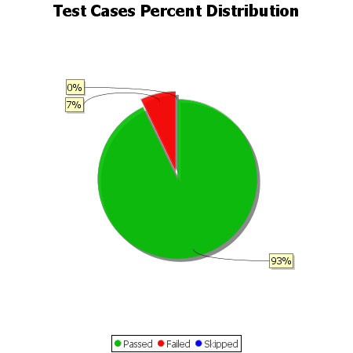
Total Test Cases | 14
Test Cases Passed | 13
Test Cases Failed | 1
Test Cases Skipped | 0

